RF
Random Forest is |  | Feature Importance

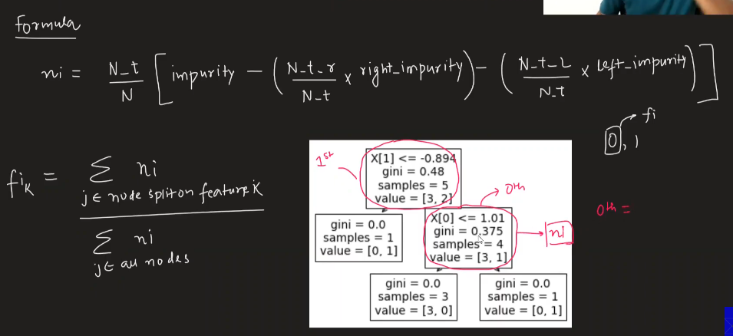
 | n number of Decision Trees applied on dataset, each Decsion Tree is applied on subset of dataset with replacement

 | The score is then averaged from all trees

Subset Dataset

 | The subset dataset is BootStrap dataset, which is around 67% of original dataset

 |  |  | n-t-r | number samples in right child = 4 | N | total number of rows/samples of Node
 |  |  | n-t | number samples in root = 5 | impurity | impurity of node = 0.48
 |  |  | right impurity = 0.375
 |  |  | n-t-l | number samples in right child = 1
 |  |  | n-t | number samples in root = 5
 |  |  | left impurity = 0.0

DT
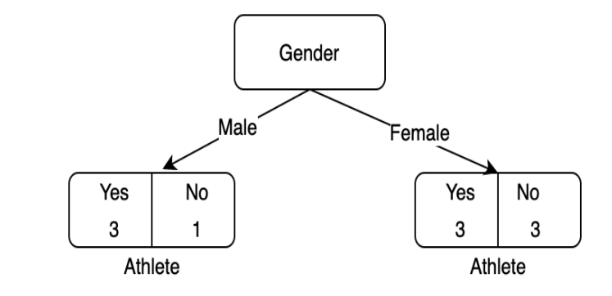
Impurity can be measured in many ways such as Gini impurity, Entropy and information gain
 |  |  |  |  |  |  |  |  | Person | Gender | Education | Athlete
 |  |  |  |  |  |  |  |  | Student1 | Male | UG | Yes
 |  |  |  |  |  |  |  |  | Student2 | Female | PG | No
 | Gini Impurity |  |  |  |  |  |  |  | Student3 | Male | UG | Yes
 |  | Gini index is the measure of how often a randomly chosen element from the set would be incorrectly labelled. |  |  |  |  |  |  | Student4 | Male | PG | No
 |  |  |  |  |  |  |  |  | Student5 | Female | UG | Yes
 |  |  |  |  |  |  |  |  | Student6 | Female | UG | Yes
 |  |  |  |  |  |  |  |  | Student7 | Female | PG | No |  | Male | 4 |  |  | Female | 6 |  |  | UG | 5 |  |  | PG | 5
 |  |  |  |  |  |  |  |  | Student8 | Male | UG | Yes |  |  | Yes | 3 |  |  | Yes | 3 |  |  | Yes | 5 |  |  | Yes | 1
 |  |  |  |  |  |  |  |  | Student9 | Female | PG | Yes |  |  | No | 1 |  |  | No | 3 |  |  | No | 0 |  |  | No | 4
 |  |  |  |  |  |  |  |  | Student10 | Female | PG | No |  | Total |  | 10 |  |  |  |  |  | Total |  | 10
 | Entropy- |  |  |  |  |  |  |  |  |  |  |  |  | giniMale |  | = | 1 - [(3/4)2+(1/4)2] |  |  |  | 0.375 | giniMale |  | = | 1 - [(5/5)2+(0/5)2] |  |  |  | 0
 |  | Entropy is nothing but the measure of disorder. We can also think it as a measure of purity. |  |  |  |  |  |  |  |  |  |  |  | giniFemale |  | = | 1 - [(3/6)2+(3/6)2] |  |  |  | 0.5 | giniFemale |  | = | 1 - [(1/5)2+(4/5)2] |  |  |  | 0.32
 |  |  |  |  |  |  |  |  | Gini Score Least |  | for selecting
 |  |  |  |  |  |  |  |  | Info Gain More |  | root node |  |  | giniGender |  | = | 4 | 0.375 | + | 6 | 0.5 | giniGender |  | = | 5 | 0 | + | 5 | 0.32
 |  |  |  |  |  |  | Yes | 6 |  |  |  |  |  |  |  |  | 10 |  |  | 10 |  |  |  |  | 10 |  |  | 10
 |  |  |  |  |  |  | No | 4
 |  |  |  |  |  |  |  | 10 |  |  |  |  |  | giniGender |  | = |  | 0.45 |  |  |  | giniGender |  | = |  | 0.16
 | Information Gain
 |  | Information Gain measures the reduction in Entropy and decides which attribute would be selected as decision node.

 |  | E(dependant) |  |  |  |  |  |  | Male | 4 |  |  | Female | 6
 |  |  | EAthlete = -6/10log(6/10) - 4/10log(4/10) |  |  |  |  | 0.97095059445 |  | Yes | 3 |  |  | Yes | 3
 |  | E(dependant/independant) |  |  |  |  |  |  |  | No | 1 |  |  | No | 3
 |  |  | EMale = -3/4log(3/4) - 1/4log(1/4) |  |  |  |  | 0.81127812446 |  |  | 4 |  |  |  | 6
 |  |  | EFemale = -3/6log(3/6) - 3/6log(3/6) |  |  |  |  | 1

 |  |  | Edep/ind | 4 | 0.81127812446 | + | 6 | 1
 |  |  |  | 10 |  |  | 10

 |  |  | Edep/ind | = | 0.92451124978

 |  | IG | = | EAthlete | - | Edep/ind |  | 0.046439344671

graph
p | p_ | GI | ENTROPY
0.05 | 0.95 | 0.10 | 0.29
0.10 | 0.90 | 0.18 | 0.47
0.15 | 0.85 | 0.26 | 0.61
0.20 | 0.80 | 0.32 | 0.72
0.25 | 0.75 | 0.38 | 0.81
0.30 | 0.70 | 0.42 | 0.88
0.35 | 0.65 | 0.45 | 0.93
0.40 | 0.60 | 0.48 | 0.97
0.45 | 0.55 | 0.50 | 0.99
0.50 | 0.50 | 0.50 | 1.00 | high entropy means low purity
0.55 | 0.45 | 0.50 | 0.99
0.60 | 0.40 | 0.48 | 0.97
0.65 | 0.35 | 0.45 | 0.93
0.70 | 0.30 | 0.42 | 0.88
0.75 | 0.25 | 0.37 | 0.81
0.80 | 0.20 | 0.32 | 0.72
0.85 | 0.15 | 0.25 | 0.61
0.90 | 0.10 | 0.18 | 0.47
0.95 | 0.05 | 0.09 | 0.29

DT Model
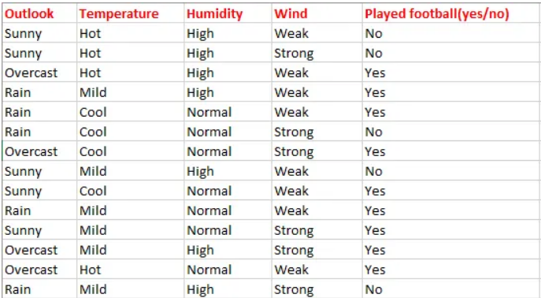
Person | Gender | Education | Athlete
Student1 | Male | UG | Yes |  | Edu has least gini |  |  | Edu has high info gain
Student2 | Female | PG | No
Student3 | Male | UG | Yes |  | Edu |  |  | Edu
Student4 | Male | PG | No | UG |  | PG | UG |  | PG
Student5 | Female | UG | Yes
Student6 | Female | UG | Yes | get subset |  | get subset | get subset |  | get subset
Student7 | Female | PG | No | data for UG |  | data for PG | data for UG |  | data for PG
Student8 | Male | UG | Yes | get col with |  | get col with | get col with |  | get col with
Student9 | Female | PG | Yes | min gini |  | min gini | high IG |  | high IG
Student10 | Female | PG | No

